Screenshot
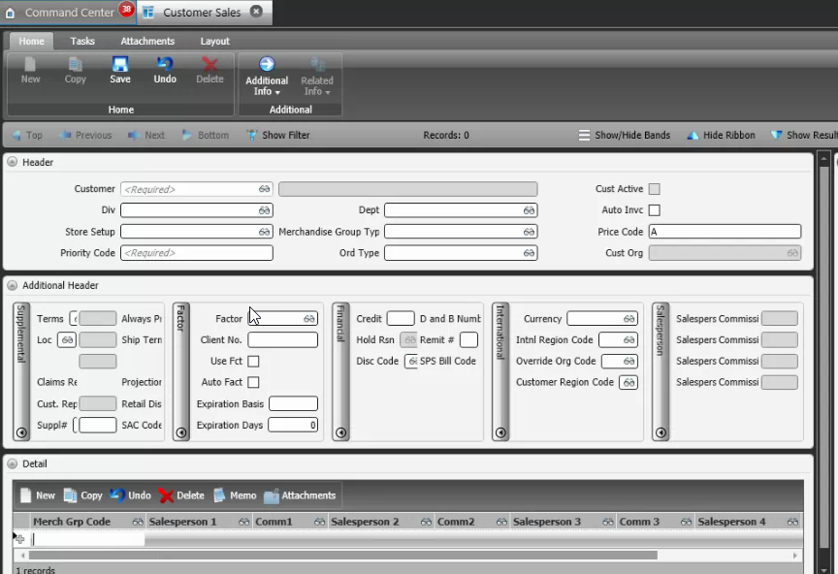
Reference Screen | Customer Sales

